CUJ(φ6toφ10)-XA1
SMC |  |  |  | Tracking Number (Same as Simple Special part No.)
 | Simple special request specification to change rod end shape ( XA1 )
 | [ Series CUJ ( Ø6 to Ø10 ) ]

□Fill in |  |  |  |  |  |  | Issue date: |  |  |  | (MM/DD/YY)
Customer |  |  |  |  | Division |  | Customer Person in charge
TEL. |  |  |  |  | FAX |  |  |  | Repeatability
Customer Reference No. |  |  |  |  | SMC Person in charge |  |  |  | SMC Branch code
Closest SMC part No.

□Part No. ( Please order the cylinder with this part No. )
Simple special part No. |  |  |  |  |  |  |  |  |  | Filled in by SMC

Applicable model (Part no. heading) |  | Note
CUJ (Φ6 to Φ10) |  | 1) Same as standard products or SMC will make appropriate arrangements if no dimension, tolerance, or finish instructions are given in the diagram.

 |  | 2) The standard dimension indicated by "MØ" will be as follows to the table 1.
 |  | Please specify in the table 1 of the production conditions if you change it.

 |  | Tablle 1:The standard dimension and production conditions indicated by "MØ"
 |  |  | Product model |  | Rod diameter | Standard dimension |  | Conditions of Manufacture
 |  |  | CUJ6 |  | φ4 | φ3.5 |  | φ3.5 or less
 |  |  | CUJ8 |  | φ5 | φ4.5 |  | φ4.5 or less
 |  |  | CUJ10 |  | φ6 | φ5 |  | φ5 or less

□Pattern and specified dimensions

XA1 | Note: Enter an asterisk (*) where you would like to keep the standard dimension.
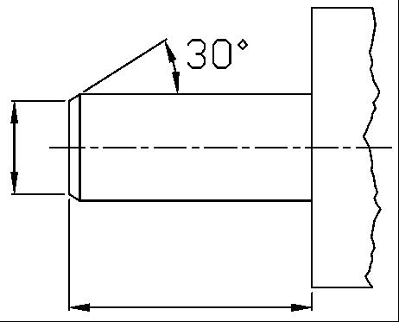

Ø
MØ

NoteS 2)

L

 |  |  |  | "L" is the length between the end of rod and the end of tube.

Note) This product is not listed in and does not fall under rows 1 to 15 of the appended table 1 of the Export Trade Control Order but falls under row 16.
 |  |  |  |  | Filled in by SMC Japan

Image registration No.

